% Change
Percent change is calculated by subtracting the base year from the current year, then dividing that number by the base year.
Problems pop up with negative numbers or when one year is negative.
Percent Change

 | 2022 | 2023 | Change | % Change | Comments
 | 10 | 15 | 5 | 50.00% | Results as expected
 | 10 | -2 | -12 | -120.00% | Results as expected with negative %
 | 10 | 0 | -10 | -100.00% | This will always result in -100%
 | 0 | 15 | 15 | #DIV/0! | This #DIV/0! is stating there is formula error and that the error is dividing by zero
 | -10 | 25 | 35 | -350.00% | This result is meaningless. The number Increased and the percent changed Decreased

 | Possible Solutions
 | 2022 | 2023 | Change | % Change
 | 10 | 15 | 5 | 50.00%
 | 10 | -2 | -12 | -120.00%
 | 10 | 0 | -10 | -100.00% | If zero in base year, then N/A, if zero in current year, compute as normal
 | 0 | 15 | 15 | N/A | It is desired to have the #DIV/0! display as N/A
 | 0 | 15 | 15 | N/A | using IF in row 20 and 21 and ISERROR in row 22
 | -10 | 25 | 35 | 350.00% | If PY is negative AND CY is positive, show the % change as -F21/D21 i.e. reverse the sign

 |  |  |  |  | Note:
 |  |  |  |  | In the absence of specific reporting requirements (a specific required format)
 | 2022 | 2023 | % Change |  | The above format is preferrable as it shows both the Dollar amount change and
 | 10 | 15 | 50.00% |  | the percent change.
 |  |  |  |  | However, your format may need to look like row 30, no dollar amount column.
 |  |  |  |  | This would revise the % Change formula as follows: =C30/B30-1

 | 2022 | 2023 | Change | % Change
 | 10 | 15 | 5 | 50.00%
 | 10 | -2 | -12 | -120.00%
 | 10 | 0 | -10 | -100.00%
 | 0 | 15 | 15 | #DIV/0!
 | -10 | 25 | 35 | -350.00%

 | 2022 | 2023 | Change | % Change
 | 10 | 15 | 5 | 50.00%
 | 10 | -2 | -12 | -120.00%
 | 10 | 0 | -10 | -100.00%
 | 0 | 15 | 15 | N/A
 | 0 | 15 | 15 | N/A
 | -10 | 25 | 35 | 350.00%

Notes
Base Year is one comparing to. "The change from the base year (or last year) is 5
PY = Prior Year-Same as Base Year in this example
CY=Current Year
Percent Change
with the Formulas displayed
and with explanation

 | 2022 | 2023 | Change | % Change | Col D | Col E | Comments
 | 10 | 15 | 5 | 50.00% | =C10-B10 | =D10/B10 | Results as expected

 | 10 | -2 | -12 | -120.00% | =C12-B12 | =D12/B12 | Results as expected with negative %

 | 10 | 0 | -10 | -100.00% | =C14-B14 | =D14/B14 | If the current year is zero, the result will always be -100%
 |  |  |  |  |  |  | regardless of the possitive value in the base year.

 | 0 | 15 | 15 | #DIV/0! | =C17-B17 | =D17/B17 | #DIV/0!is stating there is formula error and that the error is
 |  |  |  |  |  |  | dividing by zero

 | -10 | 25 | 35 | -350.00% | =C20-B20 | =D20/B20 | This result is meaningless. The number Increased and the
 |  |  |  |  |  |  | percent changed decreased

 | Possible Solutions
 | 2022 | 2023 | Change | % Change | Col D | Col E
 | 10 | 15 | 5 | 50.00% | =C26-B26 | =IF(B26=0,"N/A",D26/B26) |  | The IF B25=0 will result in N/A rather than an error

 | 10 | -2 | -12 | -120.00% | =C28-B28 | =IF(B28=0,"N/A",D28/B28) |  | The IF B25=0 will result in N/A rather than an error

 | 10 | 0 | -10 | -100.00% | =C30-B30 | =IF(B30=0,"N/A",D30/B30) |  | If zero in base year, then N/A, if zero in current year,
 |  |  |  |  |  |  |  | compute as normal

 | 0 | 15 | 15 | N/A | =C33-B33 | =IF(B33=0,"N/A",D33/B33) |  | It is desired to have the #DIV/0! display as N/A
 |  |  |  |  |  |  |  | using IF in row 31 and ISERROR in row 34

 | 0 | 15 | 15 | N/A | =C36-B36 | =IFERROR("N/A",D36/B36)

 | -10 | 25 | 35 | 350.00% | =C38-B38 | =IF(B38=0,"N/A",-D38/B38) |  | If PY is negative AND CY is positive, show the
 |  |  |  |  |  |  |  | % change as reverse the sign with a leading -

Conditional Formatting
Adding Conditional Formatting to enhance the displayed results
To see the Conditional Formatting, select the range and click on Conditional Formatting > Manage Rules
Change
with Conditional Formatting

 | 2022 | 2023 | Change
 | 10 | 15 | 5
 | 10 | -2 | -12
 | 10 | 0 | -10 | Column D
 | 0 | 15 | 15 | Highlighting the background if number is positive or negative
 | -10 | 25 | 35

 | 2022 | 2023 | Change
 | 10 | 15 | 5
 | 10 | -2 | -12
 | 10 | 0 | -10 | Displaying an Up or Down arrow if number is positive or negative
 | 0 | 15 | 15 | Note the arrows are a part of the cell; i.e. not in a separate cell
 | -10 | 25 | 35

 | Condiditonal Formatting in the Home Menu:

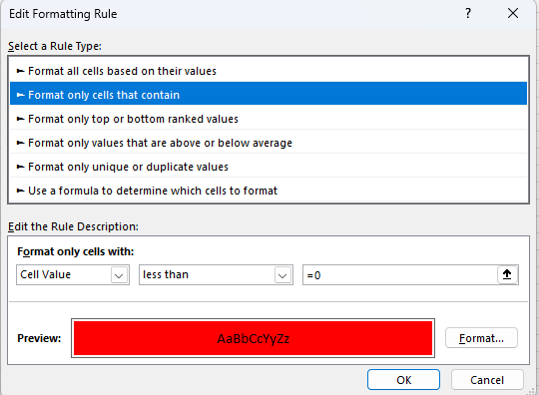

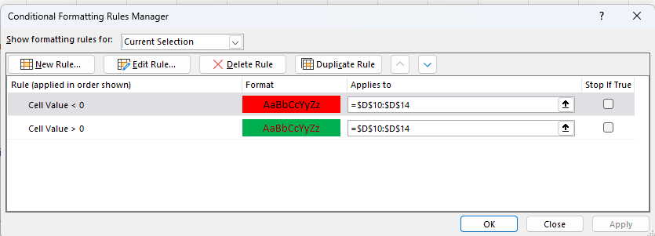

Example
 |  | Sample Company
 |  | Comparative P&L

 | 2022 | 2023 | Change | % Change
Rent | 11,256 | 12,277 | 1,021 | 9.1%
Supplies | 1,125 | 1,105 | (20) | -1.8%
Printing | 2,598 | 3,245 | 647 | 24.9%
Travel | 12,589 | 11,656 | (933) | -7.4%
Telephone | 745 | 755 | 10 | 1.3%
Facilities | 9,689 | 9,458 | (231) | -2.4%

An example of Percent Change in practice.
Apply the % Change to each line item in your P&L Statement

